Dashboard
School Management System
School Year 2026-2027

Schools
Teachers
Students
Parents

26
41
125
123
Welcome to Shubham Smart School

Educational Stage
Calender Attendance
Dashboard

 | Value
Preschool | 3
Primary School | 3
Elementsry School | 6
Middle School | 3
High School | 11

Teachers
Preschool

Students
Primary School
Elementary School

Event
Middle School

High School
Activities & Events
View All

Exam
Academic Excellence Awards Recognition Ceremony
Advanced Coding and Robotics Learning Event

Advanced Mathematics Problem Solving Competition

Annual College Preparation and Guidance Workshop

Annual Educational Technology Advancement Summit

Teachers
School Management System
School Year 2026-2027

Schools
Teachers
Students
Parents

26
41
125
123
Welcome to Shubham Smart School

Teachers
Dashboard
Subject
Comment

Daniel K. Lee
Mathematics
Mathematics - Advanced Mathematics and Logical Problem Solving Techniques
Prepare chapter-wise problem solving sessions and conduct weekly test reviews for students.
Teachers

Sophie M. Turner
English
English - English Language Communication and Creative Writing Development
Improve reading and writing activities, and share grammar practice materials with students weekly.

Students

Arjun R. Mehta
Physics
Physics - Physics Principles, Scientific Research, and Practical Applications
Arrange practical demonstrations and explain real-world applications for each physics topic.
Event

Isabella N. Okoro
Chemistry
Chemistry - Chemistry Reactions, Laboratory Experiments, and Chemical Analysis
Conduct lab activity discussions and provide detailed explanations for chemical reactions and formulas.

Exam

Lucas P. Martin
Biology
Biology - Biology and Human Life Science Research Studies
Prepare visual presentations for human anatomy and organize interactive learning sessions.

Aisha K. Rahman
History
History - World History, Cultural Heritage, and Civilization Development Studies
Create timeline-based presentations and discuss important historical events with students in detail

Student
School Management System
School Year 2026-2027

Schools
Teachers
Students
Parents

26
41
125
123
Welcome to Shubham Smart School

Students
Dashboard
Best Performance Students
Best Performance Students

Teachers
 | Total
Nora_Simmons | 67.13%
Nathan_Wood | 62.88%
Julian_Perry | 67.65%
Claire_Murphy | 66.64%
Brooklyn_Ward | 64.90%
Avery_Hughes | 65.90%
 | Total
Wyatt_Hughes | 88.07%
Sophia_Grace | 94.40%
Ryan_Bell | 88.72%
Luke_Peterson | 88.80%
Logan_Hayes | 96.37%
Isabella_Reed | 99.06%

Students

Event

Exam

Event
School Management System
School Year 2026-2027

Schools
Teachers
Students
Parents

26
41
125
123
Welcome to Shubham Smart School

Activities & Events
Dashboard

Halloween Costume Competition
Music & Dance Festival
Teachers
Finalize costume themes and organize judging schedules for each participant group. Coordinate decoration plänning and event timing with the activity team.
Plan rehearsal schedules and stage performance timing for each team. Review audio, lighting, and event presentation requirements.

Students
New Year Celebration
Tech Innovation Conference
Prepare invitation schedules and assign responsibilities for stage setup, performances, and presentation arrangements for the celebration event.
Review presentation slides and assign technical responsibilities to each department team. Schedule separate meetings for project demonstrations.
Event

Sports Championship
Charity Fundraising Event
Conduct separate coordination meetings for indoor and outdoor sports activities. Review player participation lists and finalize match schedules.
Exam
Conduct planning meetings regarding donation collection, volunteer coordination, and event management activities for smooth execution.

Zoo Park Educational Visit
Marathon Awareness Event
Arrange transportation details, student safety instructions, and activity coordination meetings before the educational visit.
Discuss route planning, participant registration, and safety arrangements. Coordinate event timing and volunteer responsibilities in detail.

Exam
School Management System
School Year 2026-2027

Schools
Teachers
Students
Parents

26
41
125
123
Welcome to Shubham Smart School

Exam Schedule
Dashboard
Download Schedule
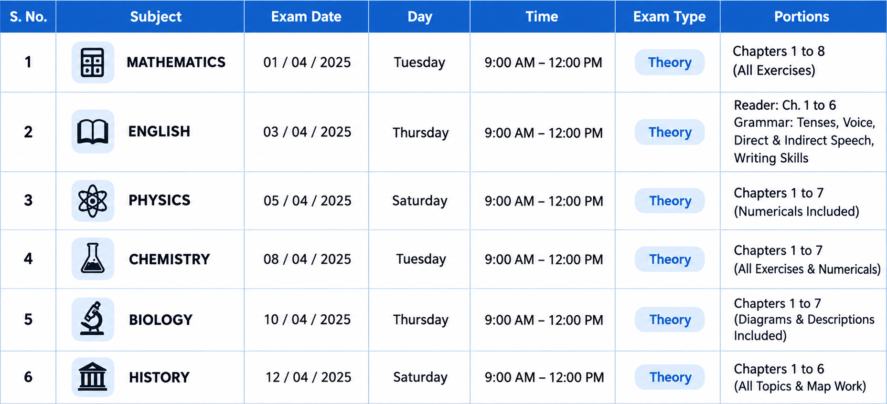

Teachers

Students

Event

Exam

Students Image
Students Name | Name without " " | Image | Rank | Name | Name on Dashboard | %
Isabella_Reed | Isabella Reed |  | 1st | Isabella_Reed | Isabella Reed | 99.06%
Logan_Hayes | Logan Hayes |  | 2nd | Logan_Hayes | Logan Hayes | 96.37%
Sophia_Grace | Sophia Grace |  | 3rd | Sophia_Grace | Sophia Grace | 94.40%
Grace_Turner | Grace Turner
Matthew_Price | Matthew Price | 
Evelyn_Parker | Evelyn Parker
Michael_Foster | Michael Foster | 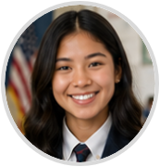
Scarlett_Hayes | Scarlett Hayes
William_Parker | William Parker
Alexander_Gray | Alexander Gray
Victoria_Price | Victoria Price
Lucas_Bennett | Lucas Bennett
Mia_Harper | Mia Harper
Daniel_King | Daniel King
Mason_Reed | Mason Reed | 
Elijah_Turner | Elijah Turner | 
Benjamin_Scott | Benjamin Scott | 
Lily_Cooper | Lily Cooper
Ethan_Walker | Ethan Walker
James_Cooper | James Cooper | 
Aiden_James | Aiden James | 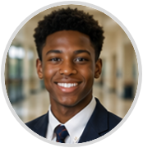
Samuel_Green | Samuel Green
Charlotte_Lane | Charlotte Lane
Henry_Morgan | Henry Morgan
Noah_Carter | Noah Carter | 
Riley_Adams | Riley Adams
Chloe_Madison | Chloe Madison | 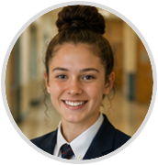
Abigail_Foster | Abigail Foster
Olivia_Rose | Olivia Rose
Ella_Bennett | Ella Bennett
Liam_Brooks | Liam Brooks | 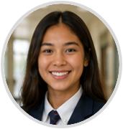
Jackson_Cole | Jackson Cole
Amelia_Brooks | Amelia Brooks
Harper_Quinn | Harper Quinn | 
Emma_Claire | Emma Claire
Ava_Morgan | Ava Morgan | 